OTRS
FY2027 Rate Schedule
Employee Contributions: 7%
Statutory Fee: 9.5% unless Comprehensive University (8.55%)
Grant Matching Rate: 8.25%
Retiree Rate: Statutory Fee + Employee Contribution to be paid by employer

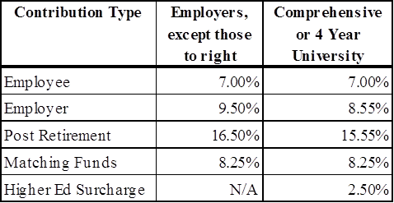

Employee Contribution Rates
All OTRS clients (or the employer) are required to contribute 7% of their regular annual compensation. This currently includes OTRS clients employed by the University of Oklahoma and its constituent agencies and Oklahoma State University and its constituent agencies. Regarding Higher Education Institutions, there is no longer a salary cap.

Employer’s Statutory Contribution
All Employers except for 4-year regional and comprehensive universities are required by law to contribute 9.5% of the regular annual compensation of each contributing employee. 4-year regional and comprehensive universities are required to contribute 8.55% of the regular annual compensation of each contributing employee.

Post Retirement Employer’s Statutory Contribution
Employers must remit statutory employer contributions on the compensation paid to a retired client for any reason, including substitute teaching or officiating at athletic events. The rate for these contributions is equal to the combined employer and employee rates for non-retired return-to-work Clients.
The current post retirement contribution rate is 16.50% for all Employers except for 4-year regional and comprehensive universities and 15.55% for 4-year regional and comprehensive universities.

Higher Education Surcharge (Additional Funding Surcharge) - Page 26 of OTRS Employment Manual
Comprehensive Universities who have established an alternative retirement plan can allow traditional members of OTRS to forego their membership to OTRS and join their system. The university however must still pay OTRS an additional funding surcharge, commonly referred to as “higher education surcharge”. This rate is determined every 5 years by the Board of Trustees based on the actuarial cost of the plan to OTRS.
For FY2027, this surcharge is 2.5% of the regular annual salary of all members of the alternative plan to be submitted to OTRS on a monthly basis.

Matching Funds – Federal, Other
On Wednesday March 27, 2013 the OTRS Board of Trustees approved an increase in the Grant Matching Rate from 8% to 8.25% to be effective July 1, 2013.
Statutes require employers of Teachers' Retirement System members whose compensation is paid from federal funds to match the contributions of these members on all compensation or that portion of compensation paid from these funds.

