College Board Report
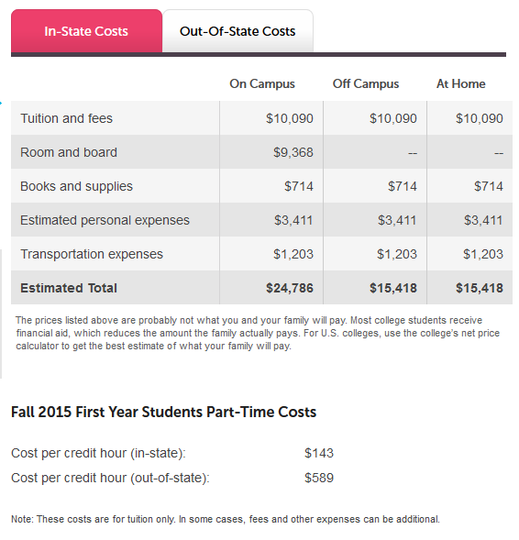
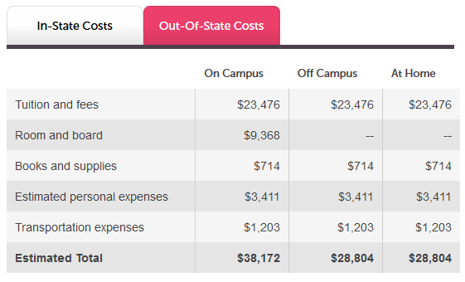
Example of College Board Page for the University of Oklahoma
https://bigfuture.collegeboard.org/college-university-search/university-of-oklahoma?q=University%2Bof%2BOklahoma&searchType=college

University of Oklahoma
Norman, OK
(Fall 2015 First Year Students)

1 - College Board Cost Data
 | Oklahoma State Regents for Higher Education
FY2027 Report for the College Board Tuition and Mandatory Fees for Full-time Freshman Students
Institution: |  |  |  | Prepared By:
The College Board requires the reporting of the educational costs for freshman students. Tuition and mandatory fees for freshmen students may differ from those charged to upperclassmen. Also, some academic service fees, reported on the worksheet named "Under & Grad Tuition MFee" should be considered as mandatory on this worksheet if the fee is charged to all freshmen students. The College Board also reports the lowest room cost (traditional dorm) and most comprehensive meal charge. You may substitute the low cost apartment rate if dormitories are used for overflow only. See Instructions.
Important Note: Report all mandatory costs for a freshman student. This would include all freshman costs charged as a condition of enrollment. Some academic service fees reported to the State Regents will become mandatory fees for the College Board because they are mandatory for all freshman students.
In the columns below, report the amount a full-time freshman student is charged for tuition, mandatory fees, and room and board at your institution. The costs of academic service fees and books are not to be reported.
Undergraduate Programs: |  |  | FY2026 | FY2027 | $ Change | % Change
 | Tuition and Mandatory Fees: |  | Freshman Cost | Freshman Cost
 | Tuition Costs:
 | Resident Tuition |  |  |  | - | 0.0%
 | Nonresident Tuition - Note 1 |  |  |  | - | 0.0%

Note: The costs of academic service fees and costs of books are not reported to the College Board .
 | A. Mandatory Fees: E&G Part I (290 Fund)
 | Academic Advising and or Assessment Fee |  |  |  | - | 0.0%
 | Academic Excellence Fee |  |  |  | - | 0.0%
 | Academic Facilities Fee |  |  |  | - | 0.0%
 | Academic Records Fee |  |  |  | - | 0.0%
 | Educational Network Connectivity Fee |  |  |  | - | 0.0%
 | Energy Fee |  |  |  | - | 0.0%
 | Infrastructure Fee |  |  |  | - | 0.0%
 | Library Automation and Materials Fee |  |  |  | - | 0.0%
 | Library Resources Fee/Library Excellence Fee |  |  |  | - | 0.0%
 | Life Safety and/or Security Fee |  |  |  | - | 0.0%
 | Student ID Fee |  |  |  | - | 0.0%
 | Student Technology Services Fee |  |  |  | - | 0.0%
 | Other Mandatory Fees (List Below)
 | Fee 1 |  |  |  | - | 0.0%
 | Fee 2 |  |  |  | - | 0.0%
 | Fee 3 |  |  |  | - | 0.0%
 | Fee 4 |  |  |  | - | 0.0%
 | Fee 5 |  |  |  | - | 0.0%
 | Subtotal E&G Part I Mandatory Fees |  | - | - | - | 0.0%
 | B. Mandatory Fees: Auxiliary (700 Fund)
 | Cultural and Recreational Services Fee |  |  |  | - | 0.0%
 | Infrastructure Fee |  |  |  | - | 0.0%
 | Parking and/or Transit Fees |  |  |  | - | 0.0%
 | School Newspaper Fee |  |  |  | - | 0.0%
 | Student Activity Fee (General Fee and Athletics Fee) |  |  |  | - | 0.0%
 | Student Development Fee |  |  |  | - | 0.0%
 | Student Facility Fee #1 |  |  |  | - | 0.0%
 | Student Facility Fee #2 |  |  |  | - | 0.0%
 | Student Government Fee |  |  |  | - | 0.0%
 | Student Health Fee |  |  |  | - | 0.0%
 | Student Union Fee |  |  |  | - | 0.0%
 | Other Mandatory Fees (List Below)
 | Fee 1 |  |  |  | - | 0.0%
 | Fee 2 |  |  |  | - | 0.0%
 | Fee 3 |  |  |  | - | 0.0%
 | Fee 4 |  |  |  | - | 0.0%
 | Fee 5 |  |  |  | - | 0.0%
 | Subtotal Auxiliary Mandatory Fees |  | - | - | - | 0.0%
 | Total Mandatory Fees |  | - | - | - | 0.0%
 | Total Resident Tuition and Mand. Fees - Note 2 |  | - | - | - | 0.0%
 | Total Nonresident Tuition and Mand. Fees - Note 2 |  | - | - | - | 0.0%
 | Note 1 - For nonresident tuition: Report the "total" amount charged for nonresident tuition, which may include both resident and nonresident tuition, depending on your tuition structure.
 | Note 2 - The totals may not agree with your institution's tuition and mandatory fee request forms because some academic service fees are considered mandatory for freshman students for the College Board Report.
Comments:

 | Other Cost Information Worksheet
 | Undergraduate Programs: |  | FY2025 | FY2026 | $ Change | % Change
 | Other Costs |  | Freshman Cost | Freshman Cost
 | Application Fees |  |  |  | - | 0.0%
 | Orientation Fees |  | - | - | - | 0.0%
 | Start-up costs such as mandatory laptop purchases: |  |  |  | - | 0.0%
 | 1 |  |  |  | - | 0.0%
 | 2 |  |  |  | - | 0.0%
 | 3 |  |  |  | - | 0.0%
 | 4 |  |  |  | - | 0.0%
 | Total Other Freshman Costs |  | - | - | - | 0.0%

 | Mandatory fees include only charges that all full-time students must pay that are not included in tuition (e.g., registration, health, or activity fees). Do not include optional fees (e.g., parking, laboratory use). [Mandatory fees should not include application fees, orientation fees, and start-up costs such as mandatory laptop purchases. These fees should be described in the “other cost information”.] |  |  |  |  |  | <----College Board instructions

Institution: |  | 0

 | Report for College Board Summary of Total Student Costs
 | For Full-Time Freshman Students
 |  |  | Freshman Cost | Freshman Cost
 | Student Costs: |  | FY2025 | FY2026 | $ Change | % Change
 | Resident Tuition |  | $- | $- | $- | 0.0% | <---Linked to above data
 | Nonresident Tuition (includes resident amount) |  | - | - | $- | 0.0% | <---Linked to above data
 | Mandatory Fees - E&G Part I |  | - | - | $- | 0.0% | <---Linked to above data
 | Mandatory Fees - Auxiliary Services |  | - | - | $- | 0.0% | <---Linked to above data
 | Total Mandatory Fees - Fund 290 and 700 |  | - | - | $- | 0.0% | <---Linked to above data
 | Other Cost - Start-up Costs |  | - | - | $- | 0.0% | <---Linked to above data
 | Avg Student Costs - Resident Commuter |  | $- | $- | $- | 0.0% | <---Formula
 | Avg Student Costs - Nonresident Computer |  | $- | $- | $- | 0.0% | <---Formula
 | Room Charge - Low Plan |  | - | - | $- | 0.0% | <---Linked to "Form -Dorm Room and Board - See Note below
 | Board Charge - High Plan |  | - | - | $- | 0.0% | <---Linked to "Form -Dorm Room and Board - See Note below
 | Total Room and Board Charges |  | - | - | $- | 0.0% | <---Formula
 | Avg Student Costs - Resident on Campus |  | $- | $- | $- | 0.0% | <---Formula
 | Avg Student Costs - Nonresident On Campus |  | $- | $- | $- | 0.0% | <---Formula
 | Resident Tuition Cost Per Credit Hour |  | $- | $- | $- | 0.0%
 | Nonresident Tuition Cost Per Credit Hour |  | $- | $- | $- | 0.0%

 | Note: Institutions that do not have dormitories or use dormitories for overflow only, should report the low cost plan for apartments and the high meal plan, if available. Please over write the formulas in E96 and F96 and in E97 and F97 and write in the amount for freshmen apartment dwellers. Use the footnote below to describe the living amenities provided for apartment living.
 | Footnote for College Board:

 | Note: If you are reporting apartment living, describe to the College Board the living arrangements and meal options. Example: The $3,865 cost for apartment living includes 4 private bedrooms with shared living room and kitchen facilities. The cost includes a $2,828 option for a 16 per week meal plan with a $500 declining balance. Other apartment plans and meal options are available.

 | Use the least expensive room and a 19 or 21 meal plan, or the |  |  |  |  |  |  |  | Resident Tuition | Nonresident Tuition (includes resident amount) | Mandatory Fees - E&G Part I | Mandatory Fees - Auxiliary Services | Total Mandatory Fees - Fund 290 and 700 | Other Start Up Costs | Avg Student Costs - Resident Commuter | Avg Student Costs - Nonresident Computer | Room Charge - Low Plan | Board Charge - High Plan | Total Room and Board Charges | Avg Student Costs - Resident on Campus | Avg Student Costs - Nonresident On Campus | Resident Tuition Cost Per Credit Hour | Nonresident Tuition Cost Per Credit Hour
 | most comprehensive plan. Source: College Board - Email dated 7/1/08. Verified with College Board 5-21-2015 |  |  |  |  |  |  | FY2026 | $- | - | - | - | - | - | $- | $- | - | - | - | $- | $- | $- | $-
 |  |  |  |  |  |  |  | FY2027 | $- | - | - | - | - | - | $- | $- | - | - | - | $- | $- | $- | $-
 |  |  |  |  |  |  |  | $ Change | $- | $- | $- | $- | $- | $- | $- | $- | $- | $- | $- | $- | $- | $- | $-
 |  |  |  |  |  |  |  | % Change | #DIV/0! | #DIV/0! | #DIV/0! | #DIV/0! | #DIV/0! | #DIV/0! | #DIV/0! | #DIV/0! | #DIV/0! | #DIV/0! | #DIV/0! | #DIV/0! | #DIV/0! | #DIV/0! | #DIV/0!

12 - Apartment and Board
 | Oklahoma State Regents for Higher Education
 | Student Apartments and Board Costs for FY2026 and FY2027

 | Institution Name: | 0

Student Apartments and Board Plans:
In this section report the low, high and Preferred costs to an undergraduate student sharing an apartment in a nontraditional apartment complex for two semesters. If a board plan is available to apartment dwellers, report the low, high and preferred costs to a student for two semesters. NOTE: The amounts reported for the prior year should agree with the amount reported on last year's report.
A. | Apartment Charges: | FY2026 | FY2027 | $ Change | % Change
 | Low Plan |  |  | - | #DIV/0! |  |  |  | Dormitory Room Charges: |  |  | Board Charges |  |  | Total Room and Board Charges
 | High Plan |  |  | - | #DIV/0! |  |  |  | Low Plan | High Plan | Preferred Room Choice | Low Plan | High Plan | Preferred Meal Plan | Low Plan | High Plan | Preferred Room and Board Plan
 | Preferred Apartment Choice |  |  | - | #DIV/0! |  |  | FY2024 | - | - | - | - | - | - | - | - | -
 |  |  |  |  |  | For Proofing Board Charges |  | FY2026 | - | - | - | - | - | - | - | - | -
B. | Board Charges |  |  |  |  | Amount from Meal Plans | Difference | $ Change | - | - | - | - | - | - | - | - | -
 | Low Plan |  |  | - | #DIV/0! | $- | $- | % Change | #DIV/0! | #DIV/0! | #DIV/0! | #DIV/0! | #DIV/0! | #DIV/0! | #DIV/0! | #DIV/0! | #DIV/0!
 | High Plan |  |  | - | #DIV/0! | $- | $-
 | Preferred Meal Plan |  |  | - | #DIV/0! | $- | $-
 | Describe Meal Plan on the adjacent worksheet

C. | Total Apartment and Board Charges
 | Low Plan | - | - | - | #DIV/0!
 | High Plan | - | - | - | #DIV/0!
 | Preferred Room and Board Plan | - | - | - | #DIV/0!

 | Provide comments below such as a change in the facilities or meal plans reported in previous years.

Apartment and Board Plans for Freshmen Students - College Board
Report the lowest apartment charge and the cost of a 19 meal plan for a freshmen student sharing a room in an university owned apartment for two semesters. If the institution does not have a 19 meal plan, report the highest meal plan available to freshmen students. For smaller institutions, the amounts reported may be the same as for undergraduates. For larger institutions, the amounts may differ depending on the number of apartments and meal plans. If the majority of apartment dwellers do not chose a board plan (because of kitchen amenities), leave the board plan blank and explain in the comments below:
A. | Apartment and Board Charges: | FY2026 | FY2027 | $ Change | % Change
1 | Lowest Apartment Charge | - | - | - | #DIV/0! | Not Linked to College Board Cost Data
2 | 19 Meal or Highest Meal Plan | - | - | - | #DIV/0! | Not Linked to College Board Cost Data
 | Total Room & Board for Freshmen | - | - | - | #DIV/0! | Not Linked to College Board Cost Data

NOTE: If your institution has no dormitories report the cost of apartments, cells C31 and D31 for apartment charges and C32 and D32 for board charges in the worksheet named "College Board Cost Data" in cells E96, F96, E97 and F97.
 | Comments for the College Board describing the apartment amenities and meal options:

